Version - Control


Azure Cloud IAAS Build Request Form

Serial No. | Version | Date | Author | Reviewer | Approver | Remarks
1 | 0.1 | 27/5/2022 | Saurabh Gupta

Azure VM Sizes
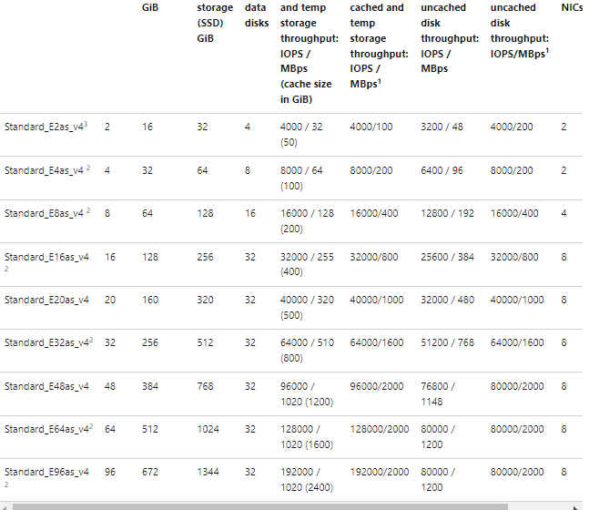
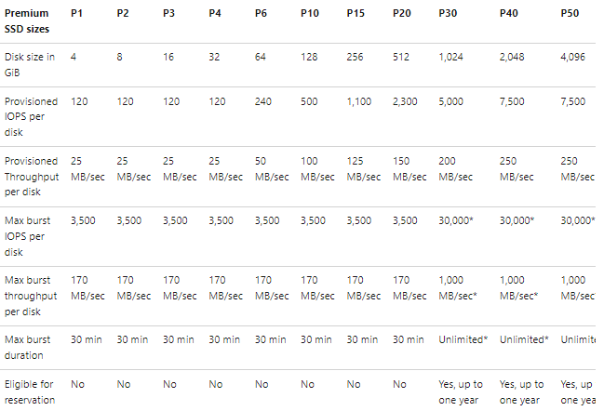
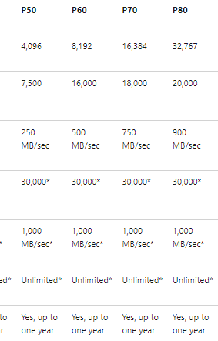
Machine name | Description | vCPUs1 | Memory (GB)
E4as_v4 |  | 4 | 32
E8as_v4 |  | 8 | 64
E16as_v4 |  | 16 | 128

